ArmeniaTables
Network Map, Source: Armenergo
©2012 NRG Expert
Armenia |  |  |  |  |  |  | Network Map ↘ Grid Interconnections →
 |  |  |  |  |  |  |  |  |  |  |  |  |  | Country | Connection Type | Operational state
Transmission Installed Base (km) | 2011* | 2012 | 2013 | 2014 | 2015 | 2016 |  |  |  |  |  |  |  | Azerbaijan | Line HVL-330 kV (100 km) | Out of Service
 | 5,090 | 5,183 | 5,277 | 5,411 | 5,517 | 5,627 |  |  |  |  |  |  |  |  | Line HVL-220 kV (63.5 km) | Out of Service
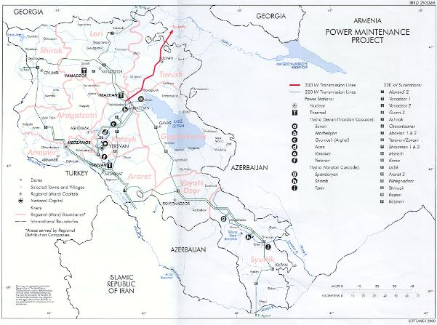
 |  |  |  |  |  |  |  |  |  |  |  |  |  |  | Line HVL-110 kV (98 km) | Out of Service
Distribution Installed Base (km) | 2011* | 2012 | 2013 | 2014 | 2015 | 2016 |  |  |  |  |  |  |  |  | Line HVL-110 kV (30 km) | Out of Service
 | 34,091 | 34,432 | 34,776 | 35,122 | 35,470 | 35,825 |  |  |  |  |  |  |  | Georgia | One line HVL-220 kV (65 km) | Operational
 |  |  |  |  |  |  |  |  |  |  |  |  |  |  | One line HVL-110 kV (35.8 km) | Operational
Line Extension (km) | 2011* | 2012 | 2013 | 2014 | 2015 | 2016 |  |  |  |  |  |  |  |  | One line HVL-110 kV (19 km) | Operational
Transmission | 90 | 92 | 94 | 133 | 105 | 110 |  |  |  |  |  |  |  | Turkey | One line HVL-220 kV (65 km) | Out of Service
Distribution | 337 | 340 | 344 | 345 | 348 | 355 |  |  |  |  |  |  |  | Iran | One line HVL-220 kV (78.5 km) | Operational
 |  |  |  |  |  |  |  |  |  |  |  |  |  |  | One line HVL-220 kV | Operational
Capex (2011 Million US$) | 2011* | 2012 | 2013 | 2014 | 2015 | 2016
 | 155.70 | 165.05 | 174.95 | 185.45 | 194.70 | 198.19

Annual Demand (2011 Million US$) | 2011* | 2012 | 2013 | 2014 | 2015 | 2016
Transformers | 15.43 | 16.35 | 17.33 | 18.37 | 19.38 | 19.75
Switchgear | 12.47 | 13.22 | 14.01 | 14.86 | 15.67 | 15.97
Cables | 26.57 | 28.17 | 29.86 | 31.65 | 33.39 | 34.03
Insulators | 7.17 | 7.61 | 8.06 | 8.55 | 9.02 | 9.19
Towers | 3.07 | 3.26 | 3.45 | 3.66 | 3.86 | 3.93
Utility Automation | 9.72 | 10.30 | 10.92 | 11.58 | 12.21 | 12.45
Power Systems | 16.72 | 17.73 | 18.79 | 19.92 | 21.01 | 21.42
Sub Stations | 9.29 | 9.85 | 10.44 | 11.07 | 11.68 | 11.90
Meters | 1.94 | 1.96 | 1.99 | 2.06 | 2.10 | 2.00

 | Trunk transmission |  |  |  | All Transmission |  |  | Distribution |  | Reticulation |  | Transmission | Distribution
 |  | Transmission
 |  |  |  | Sub-Trans
 | 330 kV > | 200-275 kV | 110-161 kV | 45-90 kV | OH line | UG cable | Subsea | MV OH | MV UG | LV OH | LV UG
 | 4% | 28% | 68% | 0% | 100% | 0% | 0% | 38% | 15% | 41% | 7% | 12% | 88%

Generation Capacity (MW) |  | 2011 | 2012 | 2013 | 2014 | 2015 | 2016 | 2017 | 2018 | 2019 | 2020
Coal |  | - | - | - | - | - | - | - | - | - | -
Oil |  | 50 | 50 | 50 | 50 | 50 | 50 | 50 | 50 | 50 | 50
Diesel |  | - | - | - | - | - | - | - | - | - | -
Gas |  | 2,015 | 2,095 | 2,179 | 2,266 | 2,357 | 2,451 | 2,549 | 2,651 | 2,757 | 2,868
of which Multi fuel |  | - | - | - | - | - | - | - | - | - | -
Pumped storage |  | - | - | - | - | - | - | - | - | - | -
Hydro |  | 1,132 | 1,232 | 1,300 | 1,375 | 1,421 | 1,050 | 1,050 | 1,050 | 1,050 | 1,050
Nuclear |  | 395 | 395 | 395 | 395 | 395 | 395 | 1,200 | 1,200 | 1,200 | 1,200
Wind |  | 42 | 42 | 42 | 42 | 42 | 42 | 42 | 42 | 42 | 42
Solar Thermal |  | - | - | - | - | - | - | - | - | - | -
Solar PV |  | - | - | - | - | - | - | - | - | - | -
Biomass |  | - | - | - | - | - | - | - | - | - | -
MSW & other waste |  | - | - | - | - | - | - | - | - | - | -
Geothermal |  | - | - | - | - | - | - | - | - | - | -
Ocean/tidal |  | - | - | - | - | - | - | - | - | - | -
Other |  | - | - | - | - | - | - | - | - | - | -

* all 2011 figures actual. 2012 and onward estimated.

